Sheet1
ShapeAi Task-1 : Social Media Marketing
Sl. No. | Date | Name | Email Id | Platform | ScreenShot
1 | 10.05.2021 | Umama naaz | Naaznahid677@gmail.com | Youtube | 
2 | 10.05.2021 | Umama naaz | Naaznahid677@gmail.com | Instagram | 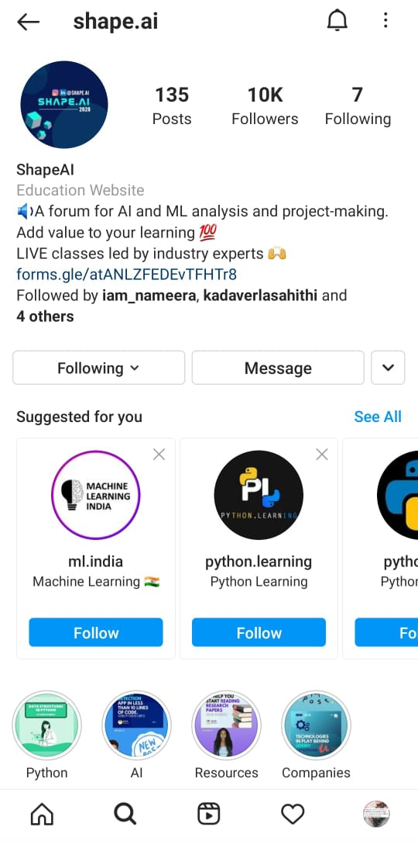
3 | 10.05.2021 | Jutta Saisruthi | Juttusaisruthi818@gmail.com | Youtube | 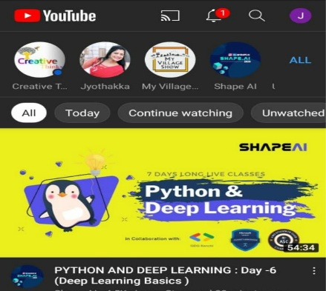
4 | 10.05.2021 | Jutta Saisruthi | Juttusaisruthi818@gmail.com | Instagram | 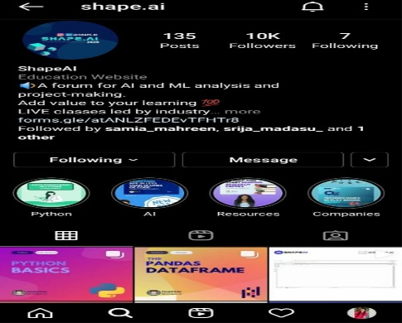
5 | 10.05.2021 | Shah Riddhi | shahriddhi2019@gmail.com | Youtube | 
6 | 10.05.2021 | Shah Riddhi | shahriddhi2019@gmail.com | Instagram | 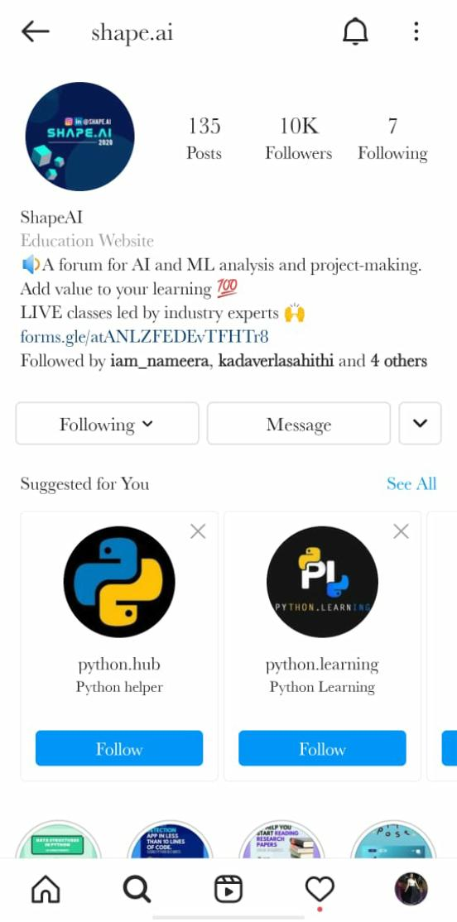
7 | 10.05.2021 | Renu Sree | nampellyrenusri692@gmail.com | Youtube | 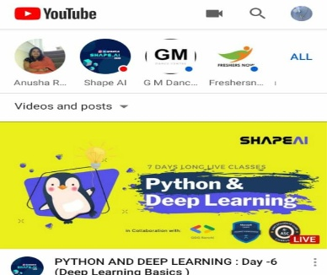
8 | 10.05.2021 | Renu Sree | nampellyrenusri692@gmail.com | Instagram | 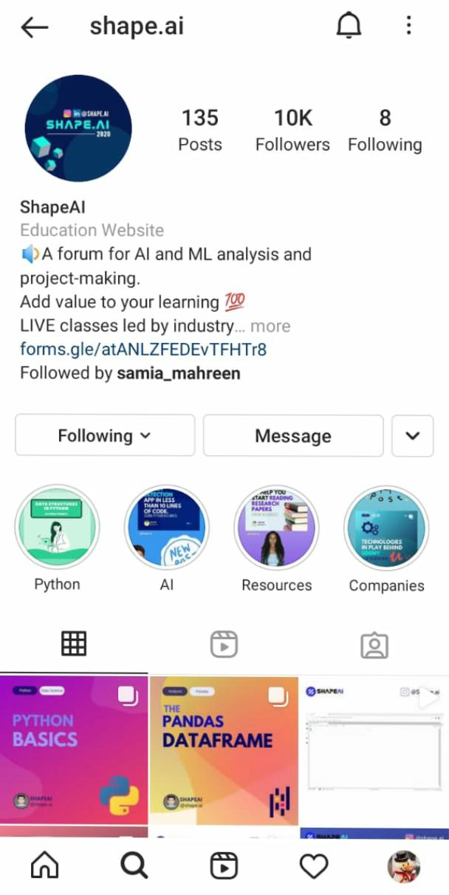
9 | 10.05.2021 | vaibhavi | vaibhavi15122000@gmail.com | Youtube | 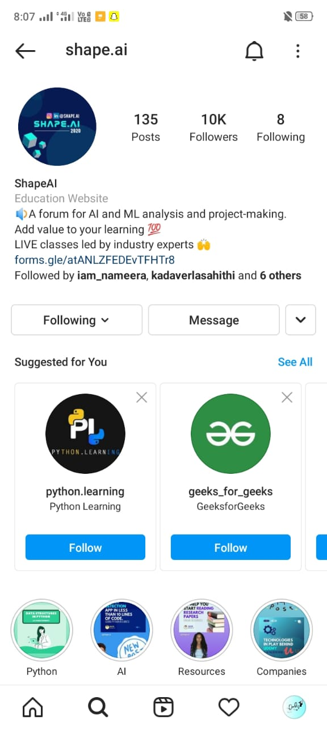 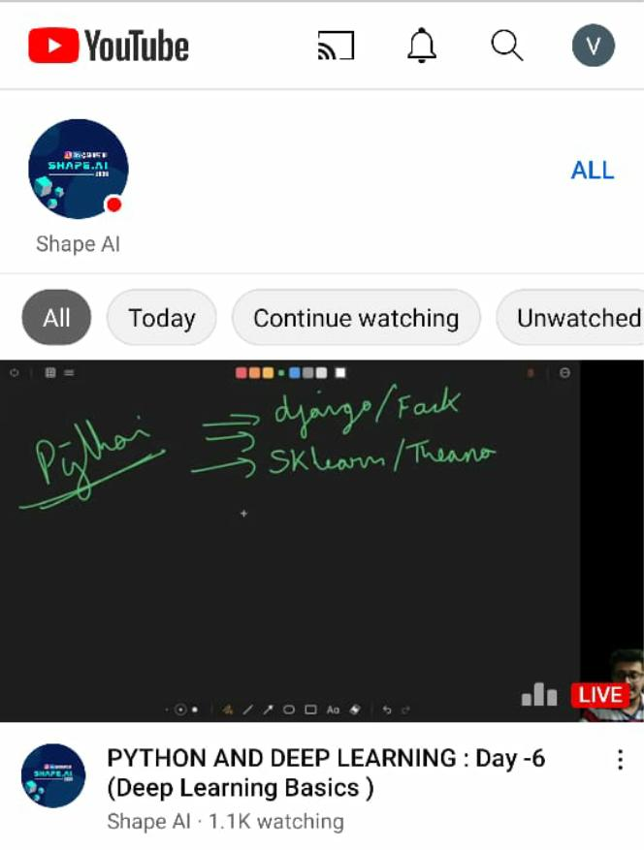
10 | 10.05.2021 | vaibhavi | vaibhavi15122000@gmail.com | Instagram | 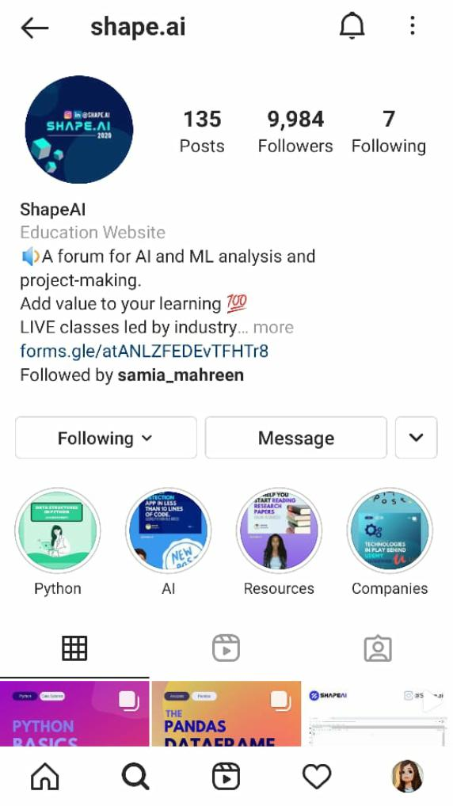
11 | 10.05.2021 | puppala Divya | divyapuppala44@gmail.com | Youtube | 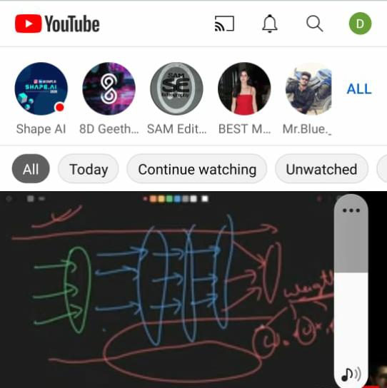
12 | 10.05.2021 | puppala Divya | divyapuppala44@gmail.com | Instagram | 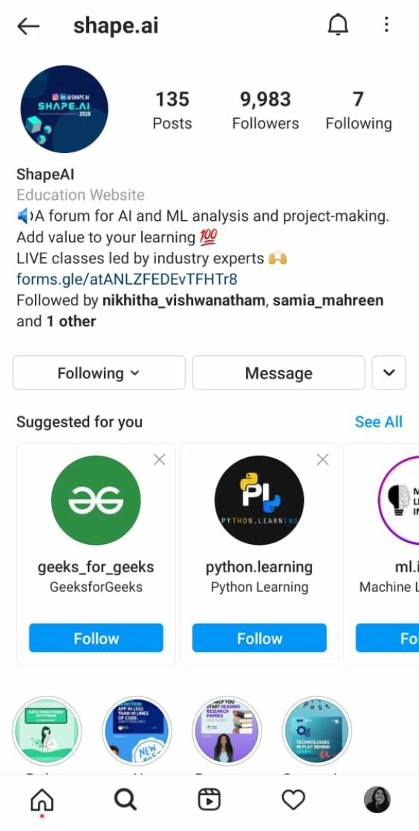
13 | 10.05.2021 | puppala Divya | divyapuppala44@gmail.com | Face Book | 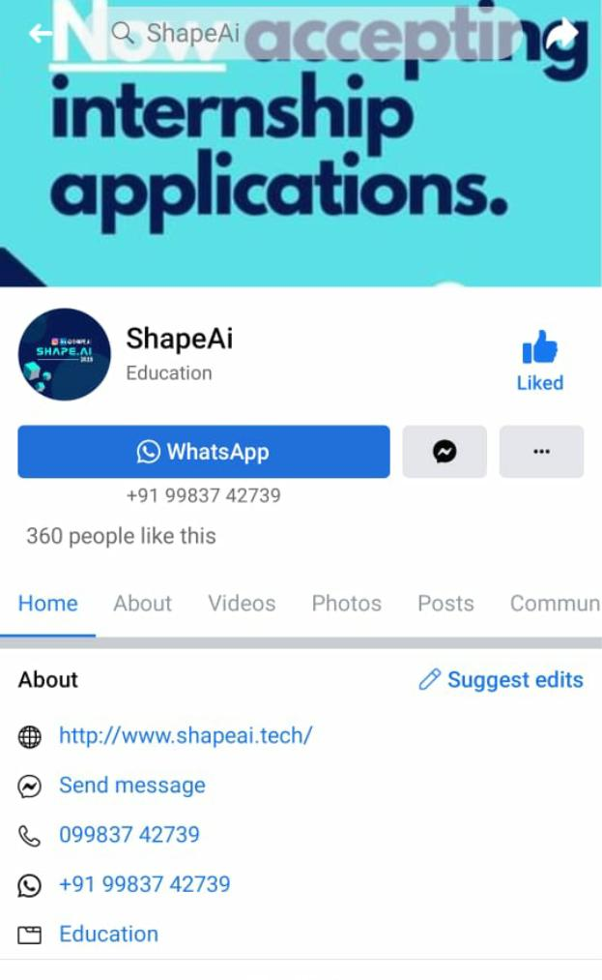

14 | 10.05.2021 | Sandi Akhila | akhilareddysandhi0572@gmail.com | Youtube | 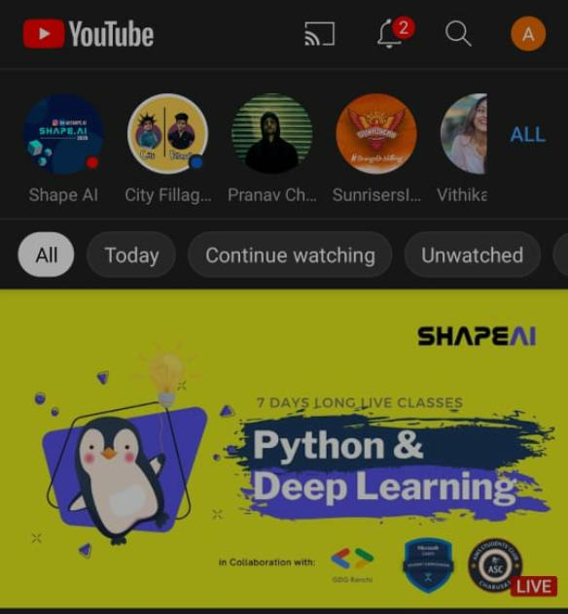
15 | 10.05.2021 | Sandi Akhila | akhilareddysandhi0572@gmail.com | Instagram | 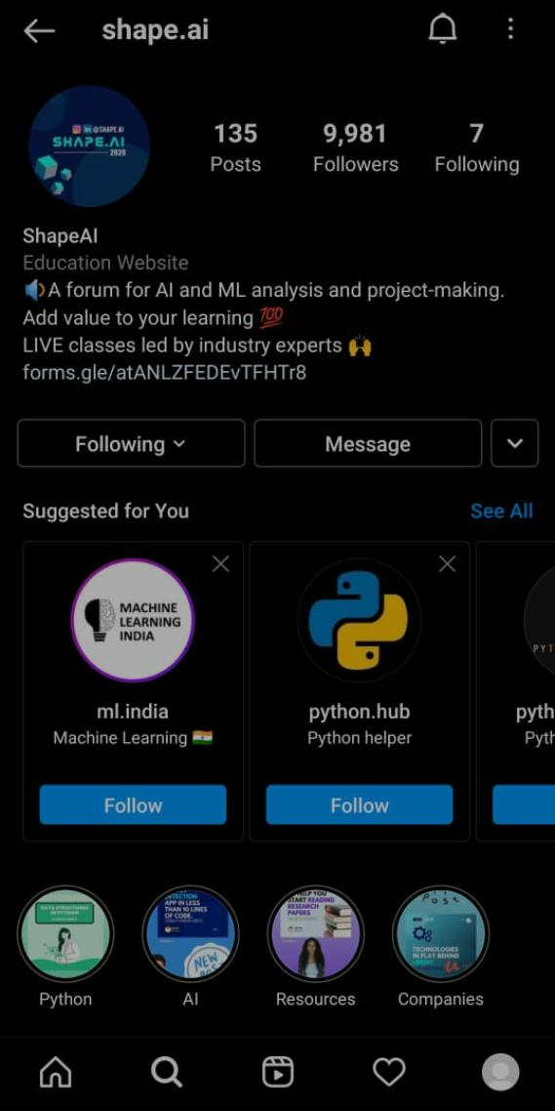
16 | 10.05.2021 | Kadaverla Sahiti | kadaverlasahithi@gmail.com | Youtube
17 | 10.05.2021 | Kadaverla Sahiti | kadaverlasahithi@gmail.com | Instagram | 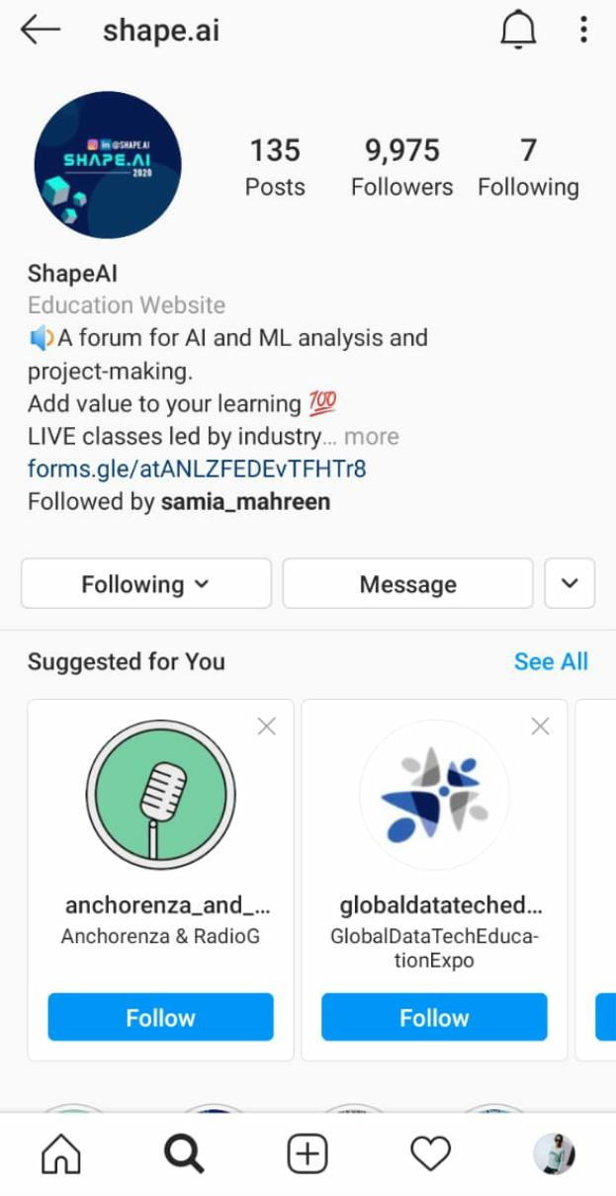
18 | 10.05.2021 | Kadaverla Sahiti | kadaverlasahithi@gmail.com | LinkedIn | 